Table 1

Selected Acquisition Report (SAR)
RCS: DD-A&T(Q&A)823-429
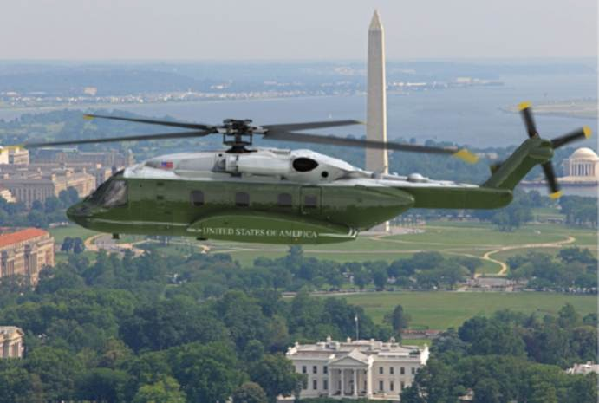
VH-92A Presidential Helicopter (VH-92A)
As of June 30, 2014
Defense Acquisition Management Information Retrieval
(DAMIR)

Table 9
Schedule
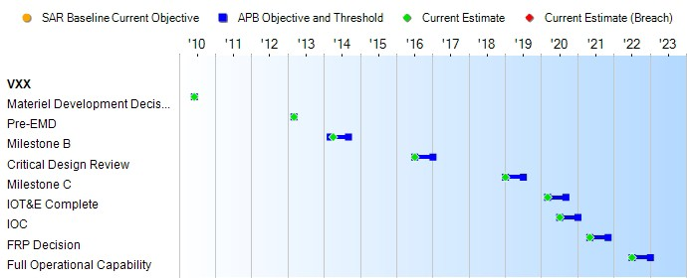
None
Schedule Events
Events | SAR Baseline Development Estimate | Current APB Development Objective/Threshold |  | Current Estimate
Materiel Development Decision | Jun 2010 | Jun 2010 | Jun 2010 | Jun 2010
Pre-EMD | Mar 2013 | Mar 2013 | Mar 2013 | Mar 2013
Milestone B | Mar 2014 | Mar 2014 | Sep 2014 | Apr 2014
Critical Design Review | Jul 2016 | Jul 2016 | Jan 2017 | Jul 2016
Milestone C | Jan 2019 | Jan 2019 | Jul 2019 | Jan 2019
IOT&E Complete | Mar 2020 | Mar 2020 | Sep 2020 | Mar 2020
IOC | Jul 2020 | Jul 2020 | Jan 2021 | Jul 2020
FRP Decision | May 2021 | May 2021 | Nov 2021 | May 2021
Full Operational Capability | Jul 2022 | Jul 2022 | Jan 2023 | Jul 2022
Change Explanations
Acronyms and Abbreviations
EMD - Engineering and Manufacturing Development FRP - Full Rate Production
IOT&E - Initial Operational Test & Evaluation

Table 23
Unit Cost History
Item |  |  |  |  | Date |  | BY 2014 $M |  |  |  |  |  | TY $M
 |  |  |  |  |  |  | PAUC |  | APUC |  |  |  | PAUC |  |  | APUC

Original APB |  |  | Apr 2014 |  |  |  | 202.161 |  |  | 120.212 |  |  |  | 225.422 |  |  | 139.941
APB as of January 2006 |  |  | N/A |  |  |  | N/A |  |  | N/A |  |  |  | N/A |  |  | N/A
Revised Original APB |  |  | N/A |  |  |  | N/A |  |  | N/A |  |  |  | N/A |  |  | N/A
Prior APB |  |  | N/A |  |  |  | N/A |  |  | N/A |  |  |  | N/A |  |  | N/A
Current APB |  |  | Apr 2014 |  |  |  | 202.161 |  |  | 120.212 |  |  |  | 225.422 |  |  | 139.941
Prior Annual SAR |  |  | N/A |  |  |  | N/A |  |  | N/A |  |  |  | N/A |  |  | N/A
Current Estimate |  |  | Jun 2014 |  |  |  | 201.704 |  |  | 119.847 |  |  |  | 225.422 |  |  | 139.941
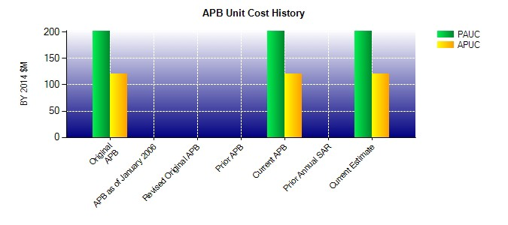
SAR Unit Cost History
Current SAR Baseline to Current Estimate (TY $M)
Initial PAUC Development Estimate | Changes |  |  |  |  |  |  |  |  |  |  |  |  |  | PAUC Current Estimate
 | Econ | Qty |  | Sch |  | Eng | Est | Oth |  |  | Spt | Total
225.422 0.583 0.000 0.000 0.000 -0.992 0.000 0.409 0.000 225.422
Current SAR Baseline to Current Estimate (TY $M)
Initial APUC Development Estimate | Changes |  |  |  |  |  |  |  |  |  |  |  |  |  | APUC Current Estimate
 | Econ | Qty |  | Sch |  | Eng | Est | Oth |  |  | Spt | Total
139.941 0.435 0.000 0.000 0.000 -0.988 0.000 0.553 0.000 139.941

